FLUID MEMBRANE
 |  |  |  |  | FLUID MEMBRANE CALCULATOR version 1.01

 |  |  | FLUID MEMBRANE COVERAGE CALCULATION
 |  |  | for paint or spray on applications

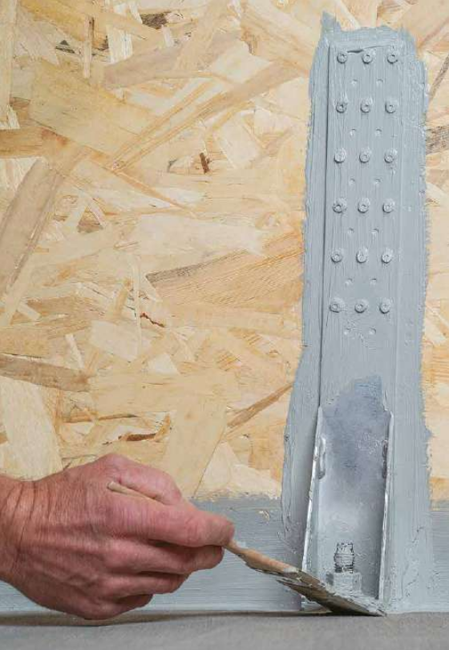
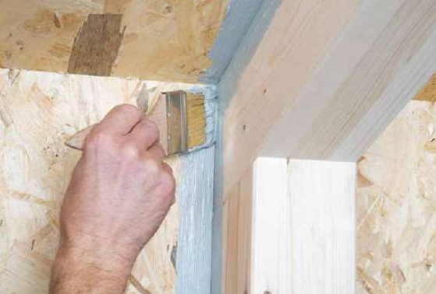

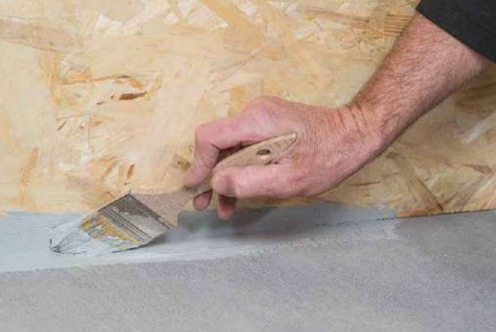

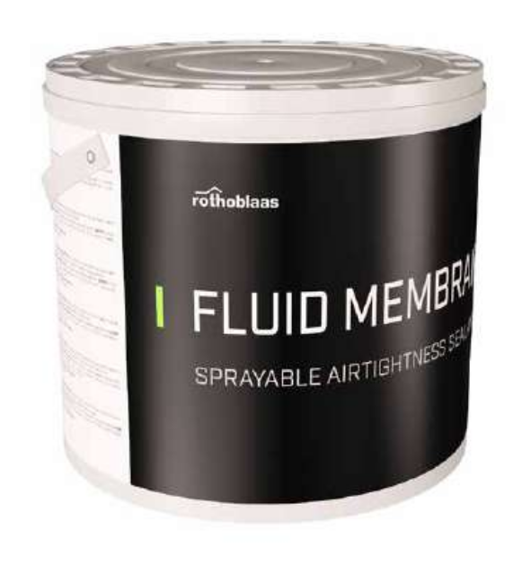

 |  | METRIC CALCULATION |  | IMPERIAL CALCULATION
Weight per Bucket |  | 10.0 kg |  | 22.0 lb

 |  | micron, µm |  | mil
Application Thickness |  | 200 |  | 0.3
 |  | 0.20 mm |  | 0.0003 in

Density (at 68oF / 20oC) |  | 1.45 kg/L |  | 90.5 lb/cu ft
Coverage @ Application Thickness |  | 0.29 kg/sq m |  | 0.00 lb/sq ft

Coverage Area |  | 50.0 sq m |  | 1,000.0 sq ft
Waste |  | 5% |  | 5%

Unit Conversion |  | 12.0 mm | 0.47 in |  | Unit conversions are not considered in the calculation and
 |  | 0.5 in | 12.7 mm |  | are provided for the user's convenience

Total Bucket Qty |  | 2 |  | 1
code | FLUIDMEM

NOTES:
1. This calculation estimates the membrane quantity based on typical applications and the selected overage factor.
Coverage may vary based on the specific application conditions: temperature, relative humidity, ventilation and substrate porosity
2. Rothoblaas reserves the right to update or change calculation methods, designs or models without notice or liability
3. Visit www.rothoblaas.com for the most up to date design resources
4. Product application shall be according to Rothoblaas literature for the intended use
5. Water vapor transmission for typical applications is greater than 0.7 perm (less than 5m Sd)
6. Water vapor transmission for an application thickness of 8 mil (200 µm) = 1.9 perm (1.8 m Sd)

